Sheet1
HAMRICKS

PICK TICKET CHECK LIST |  |  |  | PO# 263500
 |  |  |  | PT# 1772648-1772669
TICKETING

ROUTING |  |  | SHIP VIA: ROUTING

CARTON MARKING

PO # MUST BE ON ALL BOXES
STORE# and STORE NAME
STYLE
COLOR
QTY

CUSTOMER STYLE | OUR STYLE | QTY | PT #
BOC018-42 | BOC018-42 | 6 | 1772648
BOC018-42 | BOC018-42 | 6 | 1772650
BOC018-42 | BOC018-42 | 6 | 1772652
BOC018-42 | BOC018-42 | 6 | 1772653
BOC018-42 | BOC018-42 | 6 | 1772654
BOC018-42 | BOC018-42 | 6 | 1772655
BOC018-42 | BOC018-42 | 6 | 1772656
BOC018-42 | BOC018-42 | 6 | 1772657
BOC018-42 | BOC018-42 | 12 | 1772662
BOC018-42 | BOC018-42 | 6 | 1772663
BOC018-42 | BOC018-42 | 6 | 1772664
BOC018-42 | BOC018-42 | 6 | 1772665
BOC018-42 | BOC018-42 | 6 | 1772669
BOC021-42 | BOC021-42 | 6 | 1772650
BOC021-42 | BOC021-42 | 6 | 1772652
BOC021-42 | BOC021-42 | 6 | 1772655
BOC021-42 | BOC021-42 | 6 | 1772656
BOC021-42 | BOC021-42 | 6 | 1772657
BOC021-42 | BOC021-42 | 6 | 1772662
BOC021-42 | BOC021-42 | 6 | 1772663
BOC021-42 | BOC021-42 | 6 | 1772665
BOC024-42 | BOC024-42 | 6 | 1772648
BOC024-42 | BOC024-42 | 6 | 1772649
BOC024-42 | BOC024-42 | 6 | 1772650
BOC024-42 | BOC024-42 | 6 | 1772651
BOC024-42 | BOC024-42 | 6 | 1772652
BOC024-42 | BOC024-42 | 6 | 1772653
BOC024-42 | BOC024-42 | 6 | 1772654
BOC024-42 | BOC024-42 | 6 | 1772655
BOC024-42 | BOC024-42 | 6 | 1772656
BOC024-42 | BOC024-42 | 6 | 1772657
BOC024-42 | BOC024-42 | 6 | 1772658
BOC024-42 | BOC024-42 | 6 | 1772659
BOC024-42 | BOC024-42 | 6 | 1772660
BOC024-42 | BOC024-42 | 6 | 1772661
BOC024-42 | BOC024-42 | 12 | 1772662
BOC024-42 | BOC024-42 | 6 | 1772663
BOC024-42 | BOC024-42 | 6 | 1772664
BOC024-42 | BOC024-42 | 6 | 1772665
BOC024-42 | BOC024-42 | 6 | 1772666
BOC024-42 | BOC024-42 | 6 | 1772667
BOC024-42 | BOC024-42 | 6 | 1772668
BOC024-42 | BOC024-42 | 6 | 1772669
BOC028-42 | BOC028-42 | 6 | 1772650
BOC028-42 | BOC028-42 | 6 | 1772652
BOC028-42 | BOC028-42 | 6 | 1772655
BOC028-42 | BOC028-42 | 6 | 1772656
BOC028-42 | BOC028-42 | 6 | 1772657
BOC028-42 | BOC028-42 | 6 | 1772662
BOC028-42 | BOC028-42 | 6 | 1772663
BOC028-42 | BOC028-42 | 6 | 1772665
BOC9925-42 | BOC9925-42 | 6 | 1772648
BOC9925-42 | BOC9925-42 | 6 | 1772649
BOC9925-42 | BOC9925-42 | 6 | 1772650
BOC9925-42 | BOC9925-42 | 6 | 1772651
BOC9925-42 | BOC9925-42 | 6 | 1772652
BOC9925-42 | BOC9925-42 | 6 | 1772653
BOC9925-42 | BOC9925-42 | 6 | 1772654
BOC9925-42 | BOC9925-42 | 6 | 1772655
BOC9925-42 | BOC9925-42 | 6 | 1772656
BOC9925-42 | BOC9925-42 | 6 | 1772657
BOC9925-42 | BOC9925-42 | 6 | 1772658
BOC9925-42 | BOC9925-42 | 6 | 1772659
BOC9925-42 | BOC9925-42 | 6 | 1772660
BOC9925-42 | BOC9925-42 | 6 | 1772661
BOC9925-42 | BOC9925-42 | 12 | 1772662
BOC9925-42 | BOC9925-42 | 6 | 1772663
BOC9925-42 | BOC9925-42 | 6 | 1772664
BOC9925-42 | BOC9925-42 | 6 | 1772665
BOC9925-42 | BOC9925-42 | 6 | 1772666
BOC9925-42 | BOC9925-42 | 6 | 1772667
BOC9925-42 | BOC9925-42 | 6 | 1772668
BOC9925-42 | BOC9925-42 | 6 | 1772669
BOC9925-42 | BOC9925-42 | 6 | 1772648
BOC9925-42 | BOC9925-42 | 6 | 1772649
BOC9925-42 | BOC9925-42 | 6 | 1772650
BOC9925-42 | BOC9925-42 | 6 | 1772651
BOC9925-42 | BOC9925-42 | 6 | 1772652
BOC9925-42 | BOC9925-42 | 6 | 1772653
BOC9925-42 | BOC9925-42 | 6 | 1772654
BOC9925-42 | BOC9925-42 | 6 | 1772655
BOC9925-42 | BOC9925-42 | 6 | 1772656
BOC9925-42 | BOC9925-42 | 6 | 1772657
BOC9925-42 | BOC9925-42 | 6 | 1772658
BOC9925-42 | BOC9925-42 | 6 | 1772659
BOC9925-42 | BOC9925-42 | 6 | 1772660
BOC9925-42 | BOC9925-42 | 6 | 1772661
BOC9925-42 | BOC9925-42 | 12 | 1772662
BOC9925-42 | BOC9925-42 | 6 | 1772663
BOC9925-42 | BOC9925-42 | 6 | 1772664
BOC9925-42 | BOC9925-42 | 6 | 1772665
BOC9925-42 | BOC9925-42 | 6 | 1772666
BOC9925-42 | BOC9925-42 | 6 | 1772667
BOC9925-42 | BOC9925-42 | 6 | 1772668
BOC9925-42 | BOC9925-42 | 6 | 1772669
BOC9927-42 | BOC9927-42 | 6 | 1772648
BOC9927-42 | BOC9927-42 | 6 | 1772650
BOC9927-42 | BOC9927-42 | 6 | 1772652
BOC9927-42 | BOC9927-42 | 6 | 1772653
BOC9927-42 | BOC9927-42 | 6 | 1772654
BOC9927-42 | BOC9927-42 | 6 | 1772655
BOC9927-42 | BOC9927-42 | 6 | 1772656
BOC9927-42 | BOC9927-42 | 6 | 1772657
BOC9927-42 | BOC9927-42 | 6 | 1772662
BOC9927-42 | BOC9927-42 | 6 | 1772663
BOC9927-42 | BOC9927-42 | 6 | 1772664
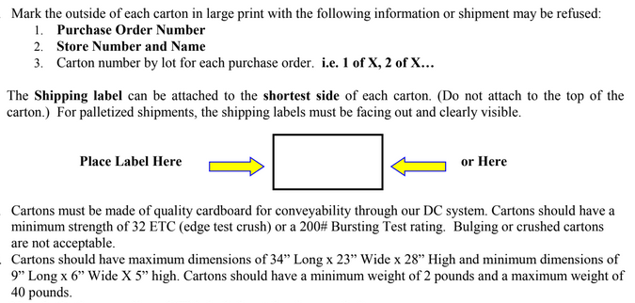
BOC9927-42 | BOC9927-42 | 6 | 1772665
BOC9927-42 | BOC9927-42 | 6 | 1772669
BOC9927-42 | BOC9927-42 | 6 | 1772648
BOC9927-42 | BOC9927-42 | 6 | 1772649
BOC9927-42 | BOC9927-42 | 6 | 1772650
BOC9927-42 | BOC9927-42 | 6 | 1772651
BOC9927-42 | BOC9927-42 | 6 | 1772652
BOC9927-42 | BOC9927-42 | 6 | 1772653
BOC9927-42 | BOC9927-42 | 6 | 1772654
BOC9927-42 | BOC9927-42 | 6 | 1772655
BOC9927-42 | BOC9927-42 | 6 | 1772656
BOC9927-42 | BOC9927-42 | 6 | 1772657
BOC9927-42 | BOC9927-42 | 6 | 1772658
BOC9927-42 | BOC9927-42 | 6 | 1772659
BOC9927-42 | BOC9927-42 | 6 | 1772660
BOC9927-42 | BOC9927-42 | 6 | 1772662
BOC9927-42 | BOC9927-42 | 6 | 1772663
BOC9927-42 | BOC9927-42 | 6 | 1772664
BOC9927-42 | BOC9927-42 | 6 | 1772665
BOC9927-42 | BOC9927-42 | 6 | 1772666
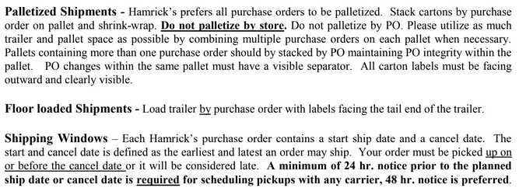
BOC9927-42 | BOC9927-42 | 6 | 1772667
BOC9927-42 | BOC9927-42 | 6 | 1772668
BOC9927-42 | BOC9927-42 | 6 | 1772669
BOC9927-42 | BOC9927-42 | 6 | 1772648
BOC9927-42 | BOC9927-42 | 6 | 1772649
BOC9927-42 | BOC9927-42 | 6 | 1772650
BOC9927-42 | BOC9927-42 | 6 | 1772651
BOC9927-42 | BOC9927-42 | 6 | 1772652
BOC9927-42 | BOC9927-42 | 6 | 1772653
BOC9927-42 | BOC9927-42 | 6 | 1772654
BOC9927-42 | BOC9927-42 | 6 | 1772655
BOC9927-42 | BOC9927-42 | 6 | 1772656
BOC9927-42 | BOC9927-42 | 6 | 1772657
BOC9927-42 | BOC9927-42 | 6 | 1772658
BOC9927-42 | BOC9927-42 | 6 | 1772659
BOC9927-42 | BOC9927-42 | 6 | 1772660
BOC9927-42 | BOC9927-42 | 6 | 1772662
BOC9927-42 | BOC9927-42 | 6 | 1772663
BOC9927-42 | BOC9927-42 | 6 | 1772664
BOC9927-42 | BOC9927-42 | 6 | 1772665
BOC9927-42 | BOC9927-42 | 6 | 1772666
BOC9927-42 | BOC9927-42 | 6 | 1772667
BOC9927-42 | BOC9927-42 | 6 | 1772668
BOC9927-42 | BOC9927-42 | 6 | 1772669

